Sheet1
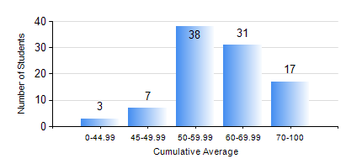
 |  |  | KWAME NKRUMAH UNIVERSITY OF SCIENCE AND TECHNOLOGY, KUMASI Department of Mechanical Engineering

 |  |  | BSC. AUTOMOBILE ENG.

 |  |  | COMPREHENSIVE RECORD OF EXAMINATION RESULTS

 |  |  | RESULTS OF YEAR 1 FIRST SEMESTER, 2021/2022 ACADEMIC YEAR

 | Sn | Course Code |  | Course Name | Credit Hours | Min. Mark | Max. Mark | Avg. Mark | Std. Dev. | No. Passed | No. Trailed | No. (Df) | No. (I) | No. (I*) | No. Tagged(I,I*,Df) | Total
 | 0. |  |  |  |  |  |  | 0 | 0 | 0 | 0 | 0 | 0 | 0 | 0 | 1
 | 1. | AME 167 |  | COMPUTER PROGRAMMING FOR ENGINEERING | 2 | 23 | 90 | 65 | 9.87 | 92 | 2 | 0 | 1 | 0 | 1 | 95
 | 2. | CE 155 |  | ENVIRONMENTAL STUDIES | 2 | 9 | 99 | 68 | 14.8 | 93 | 2 | 0 | 0 | 0 | 0 | 95
 | 3. | EE 151 |  | APPLIED ELECTRICITY | 3 | 30 | 93 | 64 | 11.8 | 94 | 1 | 0 | 0 | 0 | 0 | 95
 | 4. | ENGL 157 |  | COMMUNICATION SKILLS I | 2 | 20 | 80 | 56 | 11.1 | 89 | 5 | 0 | 1 | 0 | 1 | 95
 | 5. | MATH 151 |  | ALGEBRA | 4 | 11 | 86 | 57 | 14.77 | 90 | 5 | 0 | 0 | 0 | 0 | 95
 | 6. | ME 159 |  | TECHNICAL DRAWING | 2 | 40 | 80 | 54 | 9.68 | 95 | 0 | 0 | 0 | 0 | 0 | 95
 | 7. | ME 195 |  | ENGINEERING TECHNOLOGY I | 2 | 43 | 83 | 64 | 9.55 | 95 | 0 | 0 | 0 | 0 | 0 | 95

